Potential Code Vulnerabilities
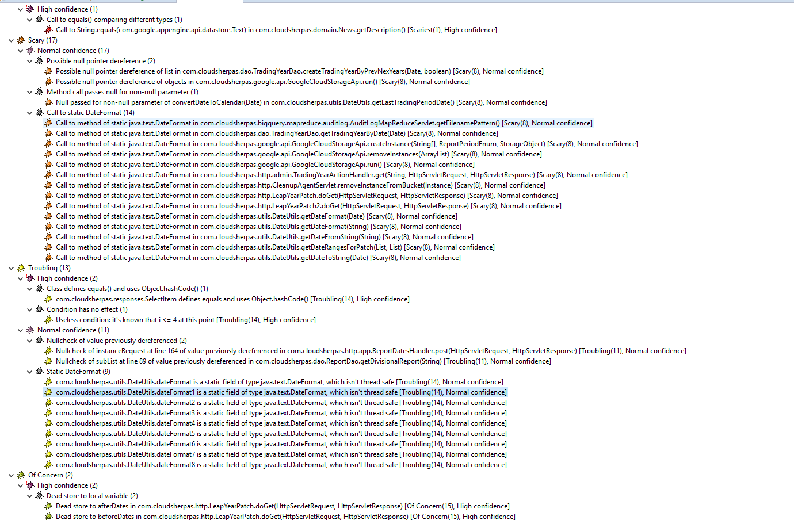
b

 | F:\source_code\dursun\price-reduction-master\price-reduction-master

Dependencies Vulnerabilities
